Basics
Download data using the function builder, accessible as shown below from the Bloomberg ribbon.

=BDH("7203 JT EQUITY","PX_LAST, PE_RATIO","ED-1AY","","Currency","GBP","Period","W","cols=3;rows=52")

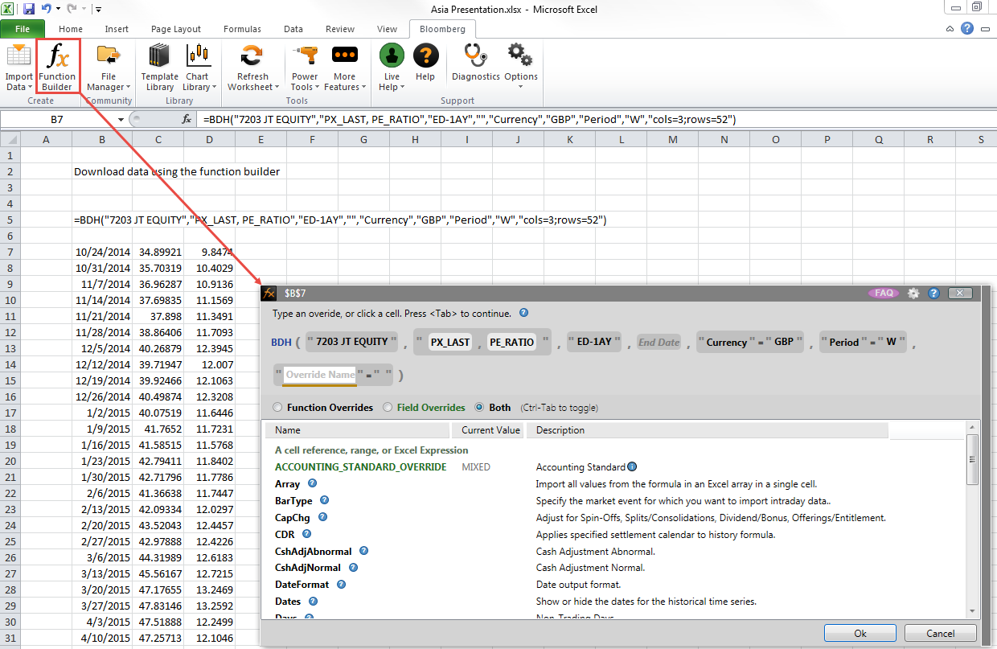
2014-10-24 | 34.89921 | 9.8474
2014-10-31 | 35.70319 | 10.4029
2014-11-07 | 36.96287 | 10.9136
2014-11-14 | 37.69835 | 11.1569
2014-11-21 | 37.898 | 11.3491
2014-11-28 | 38.86406 | 11.7093
2014-12-05 | 40.26879 | 12.3945
2014-12-12 | 39.71947 | 12.007
2014-12-19 | 39.92466 | 12.1063
2014-12-26 | 40.49874 | 12.3208
2015-01-02 | 40.07519 | 11.6446
2015-01-09 | 41.7652 | 11.7231
2015-01-16 | 41.58515 | 11.5768
2015-01-23 | 42.79411 | 11.8402
2015-01-30 | 42.71796 | 11.7786
2015-02-06 | 41.36638 | 11.7447
2015-02-13 | 42.09334 | 12.0297
2015-02-20 | 43.52043 | 12.4457
2015-02-27 | 42.97888 | 12.4226
2015-03-06 | 44.31989 | 12.6183
2015-03-13 | 45.56167 | 12.7215
2015-03-20 | 47.17655 | 13.2469
2015-03-27 | 47.83146 | 13.2592
2015-04-03 | 47.51888 | 12.2499
2015-04-10 | 47.25713 | 12.1046
2015-04-17 | 46.69121 | 12.0624
2015-04-24 | 46.60318 | 12.231
2015-05-01 | 45.74007 | 12.0886
2015-05-08 | 44.75924 | 12.0362
2015-05-15 | 44.07748 | 12.0609
2015-05-22 | 44.35915 | 12.1336
2015-05-29 | 45.39689 | 12.5087
2015-06-05 | 44.17918 | 12.3139
2015-06-12 | 43.74107 | 12.2034
2015-06-19 | 42.3041 | 11.9708
2015-06-26 | 42.75664 | 12.1147
2015-07-03 | 42.75928 | 11.5594
2015-07-10 | 41.67085 | 11.1963
2015-07-17 | 43.05157 | 11.7897
2015-07-24 | 43.12996 | 11.6937
2015-07-31 | 42.603 | 11.6597
2015-08-07 | 42.21218 | 11.469
2015-08-14 | 40.87763 | 11.2246
2015-08-21 | 39.18028 | 10.5959
2015-08-28 | 39.32723 | 10.3783
2015-09-04 | 38.7504 | 9.8952
2015-09-11 | 37.98193 | 9.9912
2015-09-18 | 38.74194 | 10.2201
2015-09-25 | 39.26392 | 10.165
2015-10-02 | 39.85402 | 10.2526
2015-10-09 | 40.68013 | 10.5959
2015-10-16 | 40.11946 | 10.4546

Multi-sec History
Download data for multiple securities historically using the Import Data Wizard > Historical End of Day.
In order to align data as seen below, you must set a calendar code on step 3 (for example 5D - Mon to Fri), and choose Only Show First Security on step 6.

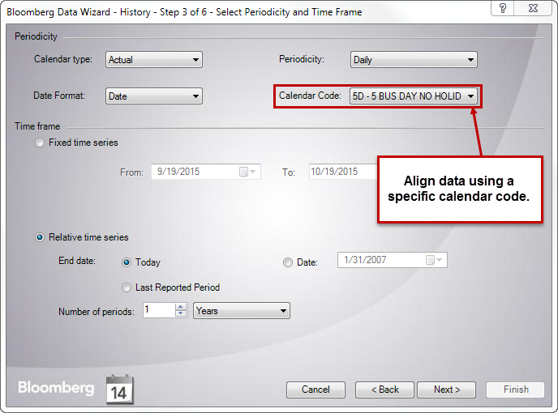
 | 6758 JP Equity | 6753 JP Equity | 066570 KS Equity | 6752 JP Equity
Date | PX_LAST | PX_LAST | PX_LAST | PX_LAST
2014-12-31 | 2464.5 | 268 | 59100 | 1406.4
2015-01-01 | 2464.5 | 268 | 59100 | 1406.4
2015-01-02 | 2464.5 | 268 | 58800 | 1406.4
2015-01-05 | 2460.6 | 267 | 58400 | 1405.4
2015-01-06 | 2431.6 | 263 | 60100 | 1362.1
2015-01-07 | 2544.3 | 263 | 60000 | 1344.3
2015-01-08 | 2556.7 | 263 | 62200 | 1367
2015-01-09 | 2590.6 | 261 | 61700 | 1365.5
2015-01-12 | 2590.6 | 261 | 62100 | 1365.5
2015-01-13 | 2511.9 | 259 | 61500 | 1350.2
2015-01-14 | 2425.7 | 256 | 62100 | 1320.2
2015-01-15 | 2492 | 257 | 60900 | 1324.1
2015-01-16 | 2376.3 | 252 | 60800 | 1319.2
2015-01-19 | 2435.6 | 230 | 60800 | 1306.4
2015-01-20 | 2454.6 | 227 | 60500 | 1356.2
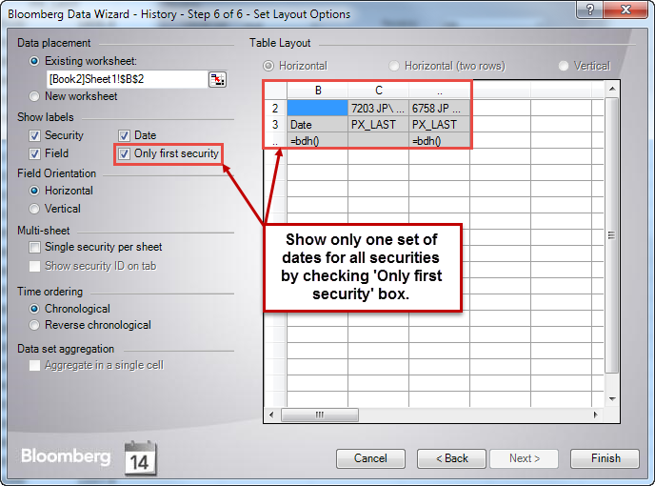
2015-01-21 | 2589.1 | 221 | 60000 | 1319.7
2015-01-22 | 2602.1 | 224 | 61800 | 1305.9
2015-01-23 | 2728.2 | 226 | 62000 | 1314.3
2015-01-26 | 2745.6 | 223 | 62800 | 1309.8
2015-01-27 | 2740.1 | 226 | 64300 | 1352.7
2015-01-28 | 2814.9 | 236 | 63500 | 1379.8
2015-01-29 | 2766.1 | 231 | 62600 | 1350.7
2015-01-30 | 2765.1 | 232 | 60800 | 1332.5
2015-02-02 | 2689.8 | 232 | 60500 | 1328.1
2015-02-03 | 2688.8 | 245 | 60300 | 1337.9
2015-02-04 | 2760.1 | 234 | 61300 | 1311.3
2015-02-05 | 3091.5 | 228 | 60600 | 1283.7
2015-02-06 | 3128.4 | 228 | 60300 | 1303.9
2015-02-09 | 3054.1 | 238 | 60100 | 1299.5
2015-02-10 | 3063.6 | 240 | 59300 | 1299.5
2015-02-11 | 3063.6 | 240 | 60000 | 1299.5
2015-02-12 | 3221.1 | 242 | 59900 | 1352.7
2015-02-13 | 3210.1 | 246 | 60000 | 1361.6
2015-02-16 | 3133.9 | 248 | 59500 | 1360.1
2015-02-17 | 3114.9 | 251 | 60600 | 1384.2
2015-02-18 | 3164.3 | 253 | 60600 | 1432.5
2015-02-19 | 3216.6 | 250 | 60600 | 1444.4
2015-02-20 | 3190.7 | 245 | 60600 | 1437
2015-02-23 | 3195.2 | 244 | 60900 | 1421.7
2015-02-24 | 3265.5 | 248 | 61200 | 1423.2
2015-02-25 | 3269.4 | 252 | 61500 | 1426.1
2015-02-26 | 3335.7 | 251 | 61100 | 1436
2015-02-27 | 3403.5 | 254 | 61800 | 1473.4
2015-03-02 | 3334.7 | 254 | 60500 | 1495.6
2015-03-03 | 3334.2 | 245 | 60600 | 1484.8
2015-03-04 | 3314.3 | 232 | 60900 | 1487.2
2015-03-05 | 3333.2 | 234 | 60600 | 1478.4
2015-03-06 | 3326.3 | 238 | 60400 | 1507.9
2015-03-09 | 3272.9 | 236 | 60100 | 1493.6
2015-03-10 | 3234.6 | 240 | 60200 | 1488.2
2015-03-11 | 3246 | 243 | 59900 | 1484.3
2015-03-12 | 3252 | 245 | 59700 | 1504.5
2015-03-13 | 3212.6 | 242 | 59500 | 1506.5
2015-03-16 | 3092 | 237 | 59600 | 1505.5
2015-03-17 | 3224.6 | 232 | 60200 | 1536
2015-03-18 | 3399 | 233 | 60100 | 1535.5
2015-03-19 | 3370.1 | 238 | 60100 | 1541.9
2015-03-20 | 3348.7 | 238 | 59800 | 1544.9
2015-03-23 | 3334.2 | 249 | 60000 | 1538
2015-03-24 | 3295.9 | 254 | 60400 | 1526.2
2015-03-25 | 3262.5 | 249 | 59600 | 1524.2
2015-03-26 | 3154.8 | 243 | 59400 | 1505.5
2015-03-27 | 3186.2 | 238 | 58900 | 1564
2015-03-30 | 3200.2 | 238 | 58800 | 1565.5
2015-03-31 | 3179.7 | 235 | 58900 | 1564.5
2015-04-01 | 3224.6 | 231 | 58600 | 1562.5
2015-04-02 | 3325.3 | 231 | 58000 | 1558.1
2015-04-03 | 3438.9 | 231 | 58000 | 1553.1
2015-04-06 | 3471.3 | 245 | 57700 | 1563
2015-04-07 | 3478.8 | 251 | 58200 | 1580.4
2015-04-08 | 3513.7 | 248 | 57600 | 1579.4
2015-04-09 | 3607.8 | 243 | 59200 | 1576.4
2015-04-10 | 3665.7 | 244 | 59100 | 1561.5
2015-04-13 | 3658.2 | 250 | 59400 | 1549.1
2015-04-14 | 3737.9 | 264 | 59700 | 1545.6
2015-04-15 | 3767.3 | 265 | 60000 | 1545.2
2015-04-16 | 3680.1 | 277 | 60300 | 1557.1
2015-04-17 | 3544.1 | 261 | 60400 | 1545.2
2015-04-20 | 3604.4 | 257 | 59900 | 1575.4
2015-04-21 | 3668.7 | 259 | 59300 | 1633.9
2015-04-22 | 3663.7 | 264 | 59200 | 1657.3
2015-04-23 | 3604.4 | 272 | 61900 | 1694.5
2015-04-24 | 3727 | 268 | 62300 | 1671.6
2015-04-27 | 3717 | 265 | 61300 | 1685
2015-04-28 | 3679.1 | 262 | 61000 | 1702.4
2015-04-29 | 3679.1 | 262 | 61200 | 1702.4
2015-04-30 | 3632.8 | 260 | 60400 | 1710.3
2015-05-01 | 3616.8 | 260 | 60400 | 1682.6
2015-05-04 | 3616.8 | 260 | 59700 | 1682.6
2015-05-05 | 3616.8 | 260 | 59700 | 1682.6
2015-05-06 | 3616.8 | 260 | 58800 | 1682.6
2015-05-07 | 3597.9 | 257 | 58500 | 1647.8
2015-05-08 | 3611.3 | 258 | 58400 | 1647.8
2015-05-11 | 3715 | 190 | 58600 | 1687.5
2015-05-12 | 3820.7 | 211 | 58100 | 1675.1
2015-05-13 | 3868.5 | 202 | 58000 | 1686
2015-05-14 | 3803.7 | 200 | 58200 | 1653.3
2015-05-15 | 3879.5 | 186 | 57900 | 1663.2
2015-05-18 | 3887.4 | 169 | 57000 | 1689
2015-05-19 | 3944.3 | 171 | 57100 | 1704.9
2015-05-20 | 3893.9 | 167 | 57100 | 1738.1
2015-05-21 | 3841.1 | 165 | 56200 | 1777.8
2015-05-22 | 3829.6 | 166 | 56900 | 1783.7
2015-05-25 | 3916.8 | 173 | 56900 | 1818.5
2015-05-26 | 3895.4 | 174 | 56500 | 1807.1
2015-05-27 | 3816.2 | 172 | 56100 | 1820
2015-05-28 | 3824.6 | 170 | 56100 | 1828.4
2015-05-29 | 3849.6 | 174 | 55300 | 1816.5
2015-06-01 | 3810.2 | 173 | 55400 | 1802.1
2015-06-02 | 3794.2 | 172 | 55400 | 1792.2
2015-06-03 | 3742.4 | 172 | 55000 | 1831.9
2015-06-04 | 3760.9 | 172 | 55100 | 1769.9
2015-06-05 | 3721.5 | 171 | 54200 | 1744.1
2015-06-08 | 3682.1 | 169 | 53500 | 1722.2
2015-06-09 | 3595.4 | 168 | 53200 | 1683.1
2015-06-10 | 3641.2 | 169 | 52800 | 1700.4
2015-06-11 | 3747.4 | 172 | 53100 | 1746
2015-06-12 | 3774.3 | 170 | 51900 | 1758
2015-06-15 | 3803.2 | 170 | 51700 | 1745.6
2015-06-16 | 3748.9 | 170 | 50300 | 1732.7
2015-06-17 | 3686.6 | 168 | 50700 | 1710.8
2015-06-18 | 3667.2 | 165 | 50500 | 1686.5
2015-06-19 | 3645.2 | 167 | 50700 | 1695
2015-06-22 | 3720 | 166 | 51600 | 1701.4
2015-06-23 | 3814.7 | 163 | 50800 | 1767.4
2015-06-24 | 3807.7 | 162 | 50800 | 1763.4
2015-06-25 | 3867.5 | 160 | 49900 | 1759.9
2015-06-26 | 3866 | 158 | 49550 | 1759.9
2015-06-29 | 3760.9 | 154 | 47150 | 1695.5
2015-06-30 | 3450.4 | 149 | 47200 | 1668.2
2015-07-01 | 3460.8 | 151 | 47800 | 1676.6
2015-07-02 | 3503.2 | 164 | 48100 | 1671.6
2015-07-03 | 3492.2 | 164 | 47650 | 1655.8
2015-07-06 | 3411.5 | 161 | 46050 | 1611.1
2015-07-07 | 3440.4 | 165 | 46550 | 1631
2015-07-08 | 3311.3 | 161 | 46200 | 1555.6
2015-07-09 | 3387.6 | 166 | 45750 | 1571.4
2015-07-10 | 3409 | 172 | 44750 | 1561.5
2015-07-13 | 3515.1 | 179 | 44900 | 1607.2
2015-07-14 | 3473.8 | 178 | 43600 | 1631
2015-07-15 | 3441.4 | 174 | 44250 | 1608.6
2015-07-16 | 3463.8 | 172 | 44050 | 1585.8
2015-07-17 | 3503.7 | 166 | 41700 | 1588.3
2015-07-20 | 3503.7 | 166 | 41350 | 1588.3
2015-07-21 | 3567.5 | 176 | 42350 | 1589.8
2015-07-22 | 3519.1 | 174 | 43650 | 1557.6
2015-07-23 | 3648.7 | 167 | 42800 | 1548.1
2015-07-24 | 3682.6 | 165 | 41150 | 1541.2
2015-07-27 | 3620.3 | 164 | 44550 | 1541.7
2015-07-28 | 3588.4 | 164 | 43050 | 1511.9
2015-07-29 | 3648.2 | 161 | 43800 | 1524.3
2015-07-30 | 3573.5 | 164 | 40850 | 1436
2015-07-31 | 3521.6 | 164 | 40600 | 1445.5
2015-08-03 | 3454.8 | 165 | 41050 | 1450.9
2015-08-04 | 3407 | 169 | 41700 | 1415.2
2015-08-05 | 3344.2 | 172 | 41500 | 1419.7
2015-08-06 | 3327.3 | 171 | 41150 | 1418.2
2015-08-07 | 3337.2 | 171 | 40650 | 1440.5
2015-08-10 | 3347.2 | 172 | 40300 | 1438
2015-08-11 | 3443.4 | 176 | 40000 | 1456.9
2015-08-12 | 3332.2 | 175 | 40350 | 1413.7
2015-08-13 | 3355.7 | 175 | 40900 | 1411.7
2015-08-14 | 3355.7 | 174 | 40900 | 1386.9
2015-08-17 | 3312.3 | 174 | 40300 | 1403.8
2015-08-18 | 3355.2 | 172 | 41350 | 1417.7
2015-08-19 | 3320.8 | 171 | 40450 | 1400.3
2015-08-20 | 3219.6 | 170 | 40450 | 1358.6
2015-08-21 | 3080.1 | 166 | 39800 | 1324.9
2015-08-24 | 2834.3 | 162 | 40150 | 1250.5
2015-08-25 | 2825.4 | 164 | 40850 | 1200.9
2015-08-26 | 2953.5 | 172 | 43450 | 1276.3
2015-08-27 | 3041.7 | 168 | 43300 | 1268.9
2015-08-28 | 3159.3 | 183 | 44100 | 1322.4
2015-08-31 | 3151.8 | 177 | 44500 | 1326.9
2015-09-01 | 3041.2 | 172 | 43350 | 1286.7
2015-09-02 | 3010.3 | 169 | 44050 | 1247.5
2015-09-03 | 3016.8 | 169 | 44500 | 1262.9
2015-09-04 | 2956.5 | 166 | 43500 | 1212.3
2015-09-07 | 2951.5 | 164 | 43200 | 1238.6
2015-09-08 | 2858.3 | 164 | 46100 | 1217.8
2015-09-09 | 3103.5 | 172 | 47000 | 1306.1
2015-09-10 | 3122.9 | 170 | 46250 | 1282.3
2015-09-11 | 3169.3 | 166 | 47050 | 1274.3
2015-09-14 | 3106.5 | 165 | 45400 | 1261.4
2015-09-15 | 3050.1 | 165 | 45900 | 1291.7
2015-09-16 | 3086 | 167 | 47000 | 1335.3
2015-09-17 | 3214.1 | 166 | 46900 | 1344.8
2015-09-18 | 3105 | 164 | 47200 | 1316
2015-09-21 | 3105 | 164 | 46400 | 1316
2015-09-22 | 3105 | 164 | 46050 | 1316
2015-09-23 | 3105 | 164 | 44750 | 1316
2015-09-24 | 3020.2 | 155 | 44300 | 1240.1
2015-09-25 | 3096 | 146 | 44800 | 1251.5
2015-09-28 | 2995.5 | 147 | 44800 | 1252.5
2015-09-29 | 2753.5 | 139 | 44800 | 1179.5
2015-09-30 | 2898.5 | 137 | 45650 | 1203.5
2015-10-01 | 2996 | 140 | 45650 | 1248.5
2015-10-02 | 3094 | 136 | 45000 | 1233
2015-10-05 | 3142 | 136 | 44550 | 1250
2015-10-06 | 3156 | 136 | 44800 | 1259
2015-10-07 | 3205 | 137 | 46300 | 1296
2015-10-08 | 3153 | 137 | 47000 | 1318
2015-10-09 | 3211 | 139 | 47000 | 1367.5
2015-10-12 | 3211 | 139 | 47150 | 1367.5
2015-10-13 | 3204 | 148 | 46100 | 1337
2015-10-14 | 3129 | 145 | 46150 | 1298
2015-10-15 | 3181 | 141 | 46750 | 1294.5
2015-10-16 | 3250 | 142 | 45950 | 1304
2015-10-19 | 3250 | 142 | 45950 | 1304

Historical Interval
Use END_DATE_OVERRIDE in conjunction with CALC_INTERVAL to create rolling historical series

=BDP($B6,"INTERVAL_PERCENT_CHANGE", "CALC_INTERVAL=mtd", "END_DATE_OVERRIDE=20141014")

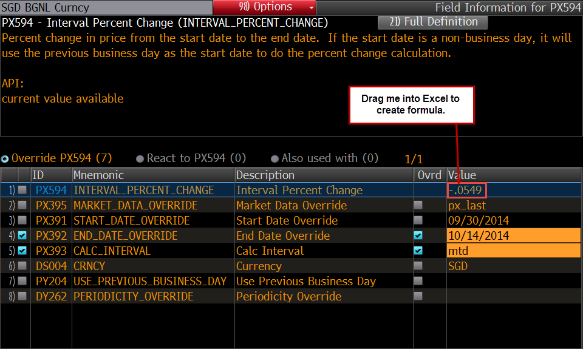
SGD Curncy | -2.8792 | -0.0549
JPY Curncy | -0.4095 | -2.3621
GBP Curncy | 2.1345 | -1.8312
CZK Curncy | -2.6646 | -0.068
DKK Curncy | -2.2885 | -0.2341
EUR Curncy | 2.352 | 0.2455
BRL Curncy | -3.4174 | -1.9045
HKD Curncy | -0.0026 | -0.1005
CHF Curncy | -2.4105 | -0.1047
TWD Curncy | -1.5337 | -0.0066
INR Curncy | -0.8424 | -0.5445
IDR Curncy | -7.077 | 0.1477
CLP Curncy | -2.1267 | -1.7198
COP Curncy | -5.2289 | 1.1942
ARS Curncy | 0.6307 | 0.534
PEN Curncy | 0.1887 | 0.4878
CNY Curncy | -0.1227 | -0.2378
ILS Curncy | -2.1741 | 1.4173
SEK Curncy | -3.0771 | 0.3769
PLN Curncy | -2.6776 | 0.2355
NOK Curncy | -5.1953 | 2.1468
CAD Curncy | -3.1873 | 0.3836
HUF Curncy | -3.5565 | -1.7107
KRW Curncy | -3.2344 | 0.8899
MXN Curncy | -2.1189 | -0.2011
TRY Curncy | -3.6217 | -0.3993
NZD Curncy | 5.8391 | 0.8217
ZAR Curncy | -4.0597 | -2.1555
AUD Curncy | 3.5786 | -0.103
RUB Curncy | -4.0712 | 3.1967
MYR Curncy | -4.4824 | -0.3963

Screening
Bloomberg on-terminal tools make Bond (SRCH<GO>) and Equity (EQS<GO>) screening very efficient. You can retrieve results from those screens using the functions =BEQS() and =BSRCH().

=BEQS("Dogs of the Nikkei","cols=8;rows=11")

Ticker | Short Name | Dvd 12M Yld - Net | Sequential Rank - Higher is Better(Dividend 12 Month Yld - Net) | Market Cap | Price:D-1 | P/E | Total Return YTD
5413 JP Equity | NISSHIN STEEL CO | 4.33 | 1 | 763,158,336.00 | 6.95 | 7.53 | 16.24
7751 JP Equity | CANON INC | 4.32 | 2 | 27,062,083,584.00 | 20.3 | 17.8 | 0.49
8031 JP Equity | MITSUI & CO | 4.28 | 3 | 14,699,533,312.00 | 8.18 | 9.72 | -1.79
8628 JP Equity | MATSUI SECURITIE | 4.15 | 4 | 1,598,032,768.00 | 5.94 | 16.65 | 9.77
8053 JP Equity | SUMITOMO CORP | 3.87 | 5 | 8,856,514,560.00 | 7.08 | N.A. | 10.75
5002 JP Equity | SHOWA SHELL | 3.6 | 6 | 2,176,699,136.00 | 5.78 | N.A. | -7.88
8002 JP Equity | MARUBENI CORP | 3.47 | 7 | 6,436,944,896.00 | 3.7 | 10.92 | -1.13
8411 JP Equity | MIZUHO FINANCIAL | 3.3 | 8 | 31,962,451,968.00 | 1.29 | 9.38 | 22.95
4502 JP Equity | TAKEDA PHARMACEU | 3.29 | 9 | 23,649,984,512.00 | 29.94 | N.A. | 15.42
5020 JP Equity | JX HD | 3.28 | 10 | 6,655,033,856.00 | 2.67 | N.A. | 9.74

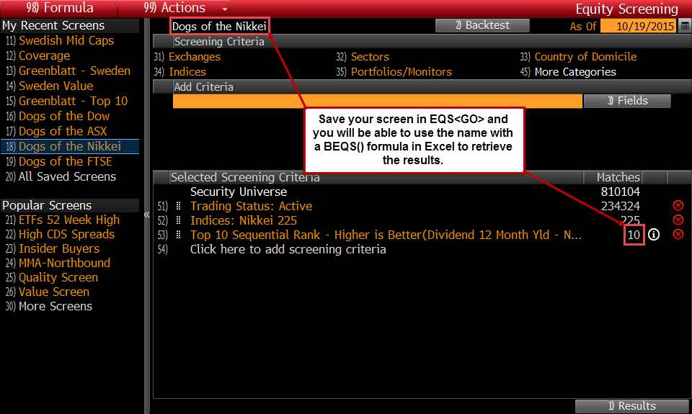

=BSRCH("FI:Japanese Bonds","cols=1;rows=1590")

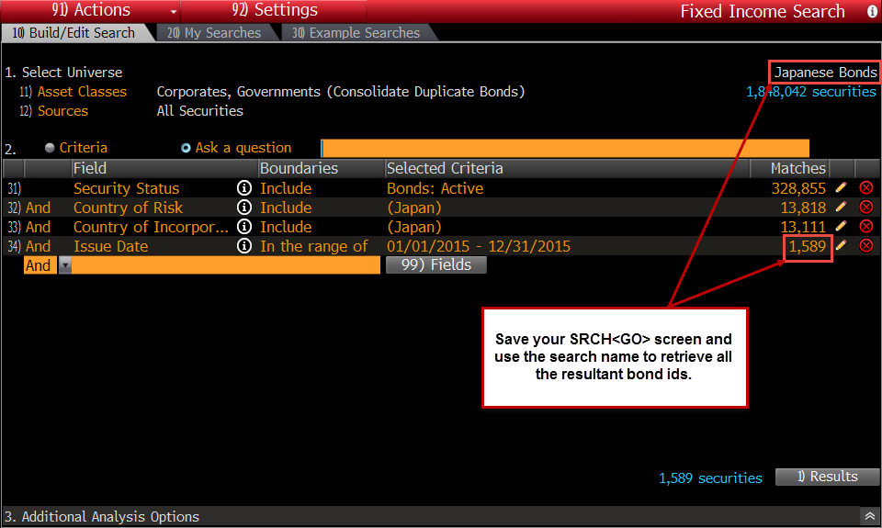
id
QJ139108 Corp
AF271410 Corp
QJ047579 Corp
AF271432 Corp
AF271440 Corp
QJ189850 Corp
QJ202359 Corp
QJ175465 Corp
QJ175616 Corp
UV290669 Corp
AF271439 Corp
QJ175753 Corp
AF271441 Corp
EK744041 Corp
QJ175629 Corp
AF142103 Corp
QJ109962 Corp
AF272831 Corp
QJ175617 Corp
EK951532 Corp
UV981425 Corp
UV814522 Corp
EK783758 Corp
QJ124678 Corp
AF272829 Corp
EK775469 Corp
EK972288 Corp
UV741554 Corp
UV903663 Corp
EK904761 Corp
EK925094 Corp
UV815197 Corp
EK688382 Corp
EK696427 Corp
QJ060869 Corp
UV688644 Corp
AF272832 Corp
EK927440 Corp
EK877977 Corp
EK912008 Corp
EK790077 Corp
EK924992 Corp
UV815136 Corp
EK981476 Corp
EK712630 Corp
QJ138872 Corp
EK927890 Corp
UV290308 Corp
EK798089 Corp
UV380818 Corp
EK816645 Corp
EK951928 Corp
UV291137 Corp
EK816747 Corp
EK789655 Corp
EK688364 Corp
EK957539 Corp
QJ025757 Corp
UV842924 Corp
EK810943 Corp
AF204311 Corp
AF204297 Corp
UV405751 Corp
UV732539 Corp
UV290304 Corp
UV741291 Corp
UV770295 Corp
UV993925 Corp
AF279324 Corp
EK966805 Corp
UV342962 Corp
UV515998 Corp
UV827273 Corp
EK787477 Corp
EK772910 Corp
EK757248 Corp
EK821401 Corp
UV568514 Corp
EK757236 Corp
EK752648 Corp
AF231868 Corp
EK762239 Corp
UV741295 Corp
EK688352 Corp
EK772136 Corp
EK752642 Corp
QJ152184 Corp
EK695683 Corp
QJ109454 Corp
UV342929 Corp
UV460193 Corp
EK955147 Corp
EK997592 Corp
UV993828 Corp
EK762323 Corp
EK792204 Corp
UV688634 Corp
EK816759 Corp
EK774743 Corp
EK995311 Corp
UV814511 Corp
EK816699 Corp
EK892969 Corp
QJ077592 Corp
UV827042 Corp
AF122423 Corp
QJ010189 Corp
EK797723 Corp
EK874994 Corp
QJ211756 Corp
EK999630 Corp
UV377567 Corp
EK948272 Corp
EK973008 Corp
UV426627 Corp
QJ103960 Corp
EK736179 Corp
UV770282 Corp
QJ201829 Corp
UV731153 Corp
UV827776 Corp
EK859577 Corp
EK935970 Corp
EK787399 Corp
UV758070 Corp
UV827152 Corp
QJ077631 Corp
QJ138862 Corp
UV535872 Corp
UV855114 Corp
UV490926 Corp
UV827088 Corp
EK765676 Corp
QJ008076 Corp
AF154152 Corp
EK890517 Corp
EK774485 Corp
QJ092137 Corp
EK943057 Corp
QJ211754 Corp
QJ077621 Corp
EK931457 Corp
UV608792 Corp
EK799699 Corp
EK890523 Corp
QJ060841 Corp
UV389424 Corp
QJ077623 Corp
UV389471 Corp
QJ060995 Corp
UV662463 Corp
EK772094 Corp
QJ123171 Corp
EK674482 Corp
EK816963 Corp
UV543493 Corp
UV993815 Corp
EK725587 Corp
EK905307 Corp
QJ201931 Corp
UV548125 Corp
EK769978 Corp
EK936324 Corp
QJ076747 Corp
UV784493 Corp
UV535873 Corp
QJ138973 Corp
QJ092130 Corp
EK928184 Corp
UV827265 Corp
UV343011 Corp
QJ201846 Corp
EK981440 Corp
UV713412 Corp
EK945701 Corp
EK828772 Corp
QJ200963 Corp
EK690930 Corp
UV535870 Corp
UV731053 Corp
EK948194 Corp
UV827264 Corp
UV608789 Corp
UV731064 Corp
QJ151623 Corp
UV855107 Corp
UV418048 Corp
QJ123027 Corp
UV855103 Corp
EK704794 Corp
QJ152168 Corp
UV814268 Corp
UV784491 Corp
EK946337 Corp
QJ138475 Corp
EK767241 Corp
UV633147 Corp
UV993813 Corp
UV758069 Corp
QJ047433 Corp
QJ211755 Corp
QJ060843 Corp
UV500085 Corp
EK746433 Corp
EK732143 Corp
EK756774 Corp
UV800605 Corp
EK960408 Corp
QJ077633 Corp
AF269112 Corp
UV543489 Corp
EK984104 Corp
QJ025803 Corp
EK788953 Corp
UV981412 Corp
UV758071 Corp
AF220593 Corp
AF242862 Corp
AF154186 Corp
UV343002 Corp
UV866793 Corp
QJ210754 Corp
UV713426 Corp
QJ152270 Corp
QJ201932 Corp
AF142756 Corp
UV814270 Corp
UV784517 Corp
QJ151992 Corp
QJ152167 Corp
EK948176 Corp
EK784280 Corp
QJ152172 Corp
AF280829 Corp
EK957881 Corp
UV842048 Corp
UV426626 Corp
UV827076 Corp
EK736191 Corp
UV450157 Corp
EK905169 Corp
UV290619 Corp
UV993816 Corp
UV993812 Corp
QJ060844 Corp
EK975112 Corp
QJ123090 Corp
UV814272 Corp
QJ047432 Corp
UV993814 Corp
EK927944 Corp
EK874976 Corp
QJ201929 Corp
AF128805 Corp
AF220588 Corp
EK872500 Corp
EK933165 Corp
UV827185 Corp
UV758230 Corp
UV987845 Corp
UV460171 Corp
QJ123120 Corp
QJ060980 Corp
UV827177 Corp
QJ175467 Corp
EK673791 Corp
EK847772 Corp
EK792042 Corp
EK733867 Corp
EK736185 Corp
EK794890 Corp
UV731057 Corp
AF204148 Corp
EK902135 Corp
QJ123037 Corp
QJ138996 Corp
EK905541 Corp
EK907339 Corp
EK927956 Corp
EK890505 Corp
UV903651 Corp
UV450366 Corp
QJ148789 Corp
EK975136 Corp
UV471784 Corp
QJ123092 Corp
UV741275 Corp
EK948164 Corp
EK975124 Corp
UV890267 Corp
QJ138860 Corp
EK798677 Corp
EK847850 Corp
EK875096 Corp
UV608805 Corp
QJ202017 Corp
UV868957 Corp
UV731060 Corp
QJ027235 Corp
EK769594 Corp
AF176192 Corp
QJ123138 Corp
QJ138724 Corp
UV535874 Corp
EK765682 Corp
EK856286 Corp
QJ201866 Corp
UV543497 Corp
EK884897 Corp
EK972096 Corp
EK972102 Corp
UV827254 Corp
UV354414 Corp
UV758225 Corp
UV354588 Corp
AF171764 Corp
EK978997 Corp
UV543498 Corp
EK946355 Corp
EK933447 Corp
QJ203747 Corp
UV364901 Corp
UV418073 Corp
EK942931 Corp
AF269215 Corp
EK913766 Corp
EK954535 Corp
QJ211824 Corp
UV481370 Corp
EK864826 Corp
UV827192 Corp
AF190144 Corp
UV827182 Corp
EK960192 Corp
EK668721 Corp
QJ077599 Corp
AF241525 Corp
EK816296 Corp
EK757140 Corp
EK769588 Corp
UV608799 Corp
QJ123039 Corp
QJ123087 Corp
EK866778 Corp
UV758067 Corp
UV741274 Corp
EK999576 Corp
UV468204 Corp
QJ152171 Corp
EK864874 Corp
EK823761 Corp
UV770405 Corp
UV389426 Corp
QJ026885 Corp
EK838729 Corp
QJ191148 Corp
UV867062 Corp
UV866790 Corp
UV552420 Corp
AF269523 Corp
UV784511 Corp
UV758068 Corp
UV535869 Corp
EK918825 Corp
UV608822 Corp
EK951454 Corp
EK932961 Corp
QJ077595 Corp
EK850431 Corp
EK932937 Corp
UV552258 Corp
AF181171 Corp
QJ077598 Corp
EK723083 Corp
EK960204 Corp
UV814269 Corp
QJ017807 Corp
EK756768 Corp
QJ046479 Corp
EK807155 Corp
EK875006 Corp
UV837214 Corp
UV784514 Corp
EK924614 Corp
EK754622 Corp
EK975142 Corp
UV902935 Corp
EK915953 Corp
UV290419 Corp
UV545693 Corp
AF231851 Corp
EK986664 Corp
EK821473 Corp
UV333239 Corp
EK790239 Corp
UV471783 Corp
EK737047 Corp
EK956227 Corp
UV858250 Corp
UV758219 Corp
EK972090 Corp
QJ157799 Corp
EK946283 Corp
EK858473 Corp
EK915923 Corp
UV688743 Corp
EK765670 Corp
EK951448 Corp
EK913622 Corp
AF171763 Corp
EK803073 Corp
UV753935 Corp
UV879764 Corp
EK879999 Corp
UV890285 Corp
EK987072 Corp
EK835469 Corp
EK858221 Corp
EK823755 Corp
EK915971 Corp
AF280821 Corp
UV890284 Corp
EK946265 Corp
EK966331 Corp
AF204147 Corp
EK802285 Corp
EK875012 Corp
UV481377 Corp
EK975148 Corp
EK843425 Corp
UV543484 Corp
UV444008 Corp
EK731231 Corp
EK860647 Corp
UV438883 Corp
QJ220159 Corp
EK716315 Corp
UV460173 Corp
UV784329 Corp
EK674797 Corp
EK771722 Corp
EK813746 Corp
UV855120 Corp
UV364902 Corp
UV713430 Corp
EK984092 Corp
EK869274 Corp
EK924536 Corp
EK942925 Corp
EK981464 Corp
EK984560 Corp
EK932925 Corp
EK909643 Corp
EK845936 Corp
QJ041116 Corp
UV543486 Corp
EK757134 Corp
EK736357 Corp
EK939880 Corp
EK885899 Corp
UV526911 Corp
EK704806 Corp
EK758220 Corp
EK954547 Corp
EK915917 Corp
UV770299 Corp
UV855121 Corp
EK758637 Corp
EK939922 Corp
EK850425 Corp
UV853646 Corp
QJ210705 Corp
AF231901 Corp
AF232113 Corp
AF269103 Corp
AF181042 Corp
EK754628 Corp
EK769894 Corp
QJ202020 Corp
UV552418 Corp
AF279429 Corp
EK739069 Corp
EK845942 Corp
EK890577 Corp
QJ040540 Corp
EK862093 Corp
UV405835 Corp
UV536188 Corp
UV784464 Corp
EK657366 Corp
EK960468 Corp
EK821185 Corp
UV827073 Corp
EK837658 Corp
QJ091541 Corp
QJ150156 Corp
EK804950 Corp
EK910268 Corp
AF142751 Corp
EK707229 Corp
EK792024 Corp
EK860941 Corp
UV975439 Corp
EK919551 Corp
EK921168 Corp
AF232099 Corp
AF154180 Corp
UV784508 Corp
EK731483 Corp
EK975202 Corp
EK977923 Corp
EK701004 Corp
UV758065 Corp
UV302305 Corp
UV731055 Corp
EK633524 Corp
EK835571 Corp
QJ040447 Corp
EK823767 Corp
UV568498 Corp
EK972108 Corp
EK880661 Corp
EK799861 Corp
EK905931 Corp
EK921150 Corp
EK921348 Corp
UV481302 Corp
EK769954 Corp
EK725761 Corp
EK767259 Corp
EK877875 Corp
UV302676 Corp
UV390719 Corp
UV543488 Corp
UV632929 Corp
UV784515 Corp
EK969449 Corp
EK932907 Corp
EK802533 Corp
UV957679 Corp
UV758078 Corp
UV416104 Corp
UV874110 Corp
EK688508 Corp
EK970921 Corp
EK885005 Corp
EK954469 Corp
EK915851 Corp
QJ211887 Corp
UV741276 Corp
EK691038 Corp
EK972114 Corp
EK798563 Corp
EK866412 Corp
EK876542 Corp
UV535996 Corp
UV980260 Corp
UV471814 Corp
UV481311 Corp
UV551252 Corp
EK746589 Corp
EK945695 Corp
QJ077601 Corp
EK786929 Corp
EK924572 Corp
UV758066 Corp
QJ211890 Corp
UV301347 Corp
UV866350 Corp
UV784516 Corp
EK683788 Corp
EK741636 Corp
EK962364 Corp
EK824445 Corp
EK915899 Corp
EK590869 Corp
UV543490 Corp
UV545068 Corp
UV784330 Corp
UV786825 Corp
EK688262 Corp
EK855314 Corp
EK791850 Corp
UV974639 Corp
UV471788 Corp
UV490941 Corp
UV866264 Corp
UV608801 Corp
UV438880 Corp
UV827178 Corp
EK792012 Corp
EK802291 Corp
UV916195 Corp
UV839154 Corp
UV301350 Corp
EK687367 Corp
EK960198 Corp
EK844042 Corp
EK772160 Corp
EK933435 Corp
EK905211 Corp
EK907651 Corp
UV632908 Corp
EK763681 Corp
EK839911 Corp
EK860683 Corp
EK925124 Corp
AF181043 Corp
EK731267 Corp
EK897613 Corp
EK774647 Corp
EK877244 Corp
UV959884 Corp
EK915338 Corp
EK915893 Corp
UV291145 Corp
UV633149 Corp
AF204149 Corp
AF171765 Corp
QJ211884 Corp
EK975244 Corp
EK844114 Corp
UV934332 Corp
EK913802 Corp
UV301349 Corp
UV867103 Corp
UV500087 Corp
EK838699 Corp
EK775061 Corp
EK783728 Corp
EK828682 Corp
EK918207 Corp
EK756762 Corp
EK938875 Corp
EK975214 Corp
EK786911 Corp
EK874474 Corp
UV412472 Corp
UV471895 Corp
AF142784 Corp
AF279957 Corp
EK691236 Corp
EK880727 Corp
UV902882 Corp
UV758096 Corp
UV800606 Corp
UV342919 Corp
AF232118 Corp
AF171766 Corp
EK722108 Corp
EK695383 Corp
EK733831 Corp
EK981872 Corp
EK771728 Corp
EK853007 Corp
EK855284 Corp
EK821845 Corp
EK910172 Corp
EK913580 Corp
UV301351 Corp
UV875567 Corp
UV890292 Corp
EK645276 Corp
EK657384 Corp
EK935370 Corp
EK986624 Corp
EK837592 Corp
EK838693 Corp
EK893077 Corp
EK880011 Corp
EK954799 Corp
EK701088 Corp
EK874024 Corp
EK874970 Corp
EK812401 Corp
EK821263 Corp
EK910250 Corp
EK485179 Corp
UV758095 Corp
UV758202 Corp
UV688965 Corp
EK966667 Corp
EK845648 Corp
EK933549 Corp
UV855101 Corp
UV426621 Corp
UV435341 Corp
AF153950 Corp
EK705442 Corp
EK945599 Corp
EK948308 Corp
EK972408 Corp
EK844090 Corp
EK927416 Corp
EK977293 Corp
EK821173 Corp
EK823779 Corp
EK828688 Corp
UV758204 Corp
QJ175664 Corp
UV290246 Corp
AF142796 Corp
UV741279 Corp
AF241524 Corp
EK690978 Corp
EK946313 Corp
EK987540 Corp
EK965314 Corp
EK843443 Corp
EK930521 Corp
EK932895 Corp
EK957491 Corp
EK805412 Corp
EK769582 Corp
EK787297 Corp
EK795076 Corp
EK826537 Corp
EK901901 Corp
EK918375 Corp
UV481372 Corp
AF122416 Corp
UV448033 Corp
EK935364 Corp
EK948188 Corp
EK844120 Corp
EK681345 Corp
EK746397 Corp
EK786941 Corp
EK794920 Corp
EK794938 Corp
EK829096 Corp
EK908053 Corp
QJ190294 Corp
UV543483 Corp
AF246243 Corp
AF268451 Corp
QJ010200 Corp
EK935376 Corp
EK946259 Corp
EK930275 Corp
EK769564 Corp
EK798737 Corp
EK912806 Corp
UV855467 Corp
UV354413 Corp
UV662180 Corp
AF204156 Corp
EK705094 Corp
EK752323 Corp
EK685714 Corp
EK984098 Corp
EK837082 Corp
EK849590 Corp
UV814279 Corp
UV302330 Corp
UV426622 Corp
AF116046 Corp
AF142783 Corp
UV568499 Corp
AF232038 Corp
AF181037 Corp
EK688268 Corp
EK982388 Corp
EK972570 Corp
EK975358 Corp
EK835493 Corp
EK701052 Corp
EK786896 Corp
EK877088 Corp
UV755727 Corp
AF122052 Corp
AF122076 Corp
UV867092 Corp
UV842926 Corp
UV654650 Corp
AF269102 Corp
UV784344 Corp
QJ025758 Corp
EK670652 Corp
EK948158 Corp
EK953218 Corp
EK987264 Corp
EK844024 Corp
EK892993 Corp
EK977305 Corp
EK725611 Corp
EK787285 Corp
EK860689 Corp
EK874804 Corp
EK821269 Corp
EK913658 Corp
UV342917 Corp
UV342918 Corp
UV301346 Corp
UV490891 Corp
EK671132 Corp
EK705070 Corp
EK756786 Corp
EK765664 Corp
EK974442 Corp
EK835457 Corp
EK860653 Corp
EK829102 Corp
EK912278 Corp
UV695840 Corp
UV713427 Corp
AF204150 Corp
AF154175 Corp
EK705040 Corp
EK754646 Corp
EK758301 Corp
EK685735 Corp
EK954457 Corp
EK802977 Corp
EK877274 Corp
EK821179 Corp
EK919659 Corp
EK921354 Corp
UV459964 Corp
UV469906 Corp
UV588253 Corp
AF239730 Corp
AF204193 Corp
EK645051 Corp
EK763687 Corp
EK685951 Corp
EK695815 Corp
EK731237 Corp
EK736411 Corp
EK951460 Corp
EK850671 Corp
EK725605 Corp
EK725617 Corp
EK802917 Corp
EK802941 Corp
EK860659 Corp
EK869244 Corp
EK874904 Corp
EK878487 Corp
UV925246 Corp
EK921162 Corp
UV758098 Corp
UV405160 Corp
UV656951 Corp
UV449513 Corp
UV450359 Corp
EK657378 Corp
EK731273 Corp
EK982154 Corp
EK838645 Corp
EK844018 Corp
EK700644 Corp
EK913184 Corp
UV405733 Corp
UV459757 Corp
UV481172 Corp
UV879763 Corp
AF269522 Corp
AF279976 Corp
AF203797 Corp
EK758235 Corp
EK157375 Corp
EK685741 Corp
EK939694 Corp
EK960246 Corp
EK839137 Corp
EK803097 Corp
EK902285 Corp
EK918189 Corp
UV460245 Corp
AF142759 Corp
AF142797 Corp
UV867051 Corp
UV784333 Corp
EK598969 Corp
EK670544 Corp
EK736167 Corp
EK938635 Corp
EK975046 Corp
EK850677 Corp
EK886931 Corp
EK774929 Corp
EK879735 Corp
EK746403 Corp
EK786923 Corp
UV405149 Corp
UV490927 Corp
AF279171 Corp
AF181160 Corp
AF203877 Corp
AF154003 Corp
UV449359 Corp
UV449514 Corp
EK752311 Corp
EK758733 Corp
EK683602 Corp
EK684082 Corp
EK736107 Corp
EK935352 Corp
EK944389 Corp
EK844030 Corp
EK927452 Corp
EK882376 Corp
EK882382 Corp
EK744101 Corp
EK824385 Corp
UV957667 Corp
EK918897 Corp
EK918921 Corp
EK625540 Corp
AF142745 Corp
UV539768 Corp
UV644084 Corp
EK657396 Corp
EK662573 Corp
EK668715 Corp
EK688538 Corp
EK974130 Corp
EK892903 Corp
EK927410 Corp
EK930533 Corp
QJ123028 Corp
EK725009 Corp
EK769570 Corp
EK800431 Corp
UV925427 Corp
EK909367 Corp
EK913178 Corp
EK913214 Corp
EK916025 Corp
UV522469 Corp
AF254568 Corp
UV673590 Corp
AF232115 Corp
AF181055 Corp
UV784343 Corp
EK645294 Corp
EK737275 Corp
EK946295 Corp
EK975106 Corp
EK837094 Corp
EK843413 Corp
EK847778 Corp
EK954487 Corp
EK954493 Corp
EK855512 Corp
EK681075 Corp
EK725719 Corp
EK860671 Corp
EK813698 Corp
EK821257 Corp
UV377141 Corp
UV738142 Corp
AF186075 Corp
UV438885 Corp
EK597408 Corp
EK614236 Corp
EK715867 Corp
EK756876 Corp
EK683830 Corp
EK733819 Corp
EK736173 Corp
EK946343 Corp
EK954733 Corp
QJ123169 Corp
UV903008 Corp
EK853001 Corp
EK853151 Corp
EK701022 Corp
EK791856 Corp
EK795022 Corp
EK802407 Corp
EK821251 Corp
EK824343 Corp
EK902507 Corp
EK905073 Corp
EK907231 Corp
EK917201 Corp
UV308948 Corp
UV354585 Corp
UV426674 Corp
UV459725 Corp
AF142183 Corp
AF245401 Corp
AF279055 Corp
AF279465 Corp
AF153977 Corp
UV889538 Corp
UV440030 Corp
EK639404 Corp
EK670634 Corp
EK944995 Corp
EK945731 Corp
EK963094 Corp
EK844060 Corp
EK892894 Corp
EK774455 Corp
EK780544 Corp
EK927464 Corp
EK807401 Corp
EK701082 Corp
EK803085 Corp
EK872566 Corp
EK906735 Corp
EK913190 Corp
EK913574 Corp
EK913706 Corp
EK916253 Corp
UV758090 Corp
UV333382 Corp
UV343252 Corp
UV290247 Corp
AF121197 Corp
AF128807 Corp
AF279054 Corp
EK715591 Corp
EK746685 Corp
EK754844 Corp
EK756780 Corp
EK688502 Corp
EK942907 Corp
EK981860 Corp
EK835559 Corp
EK893498 Corp
EK954577 Corp
EK805310 Corp
EK769558 Corp
EK794830 Corp
EK800023 Corp
EK821461 Corp
EK826963 Corp
EK921180 Corp
UV389359 Corp
AF128806 Corp
UV550221 Corp
UV440006 Corp
EK645057 Corp
EK752600 Corp
EK685753 Corp
EK939640 Corp
EK975172 Corp
EK843437 Corp
EK770182 Corp
EK778212 Corp
EK780550 Corp
EK805340 Corp
EK723407 Corp
EK744029 Corp
EK787333 Corp
EK804956 Corp
EK913898 Corp
EK916055 Corp
EK921648 Corp
UV535926 Corp
UV440026 Corp
EK587632 Corp
EK639385 Corp
EK639392 Corp
EK596906 Corp
EK704488 Corp
EK706761 Corp
EK752324 Corp
EK756906 Corp
EK520380 Corp
EK959303 Corp
EK974256 Corp
EK974889 Corp
EK835499 Corp
EK892999 Corp
EK977899 Corp
EK831744 Corp
EK702858 Corp
EK786959 Corp
EK858593 Corp
EK860665 Corp
EK924500 Corp
EK925196 Corp
UV354566 Corp
UV377156 Corp
UV426633 Corp
AF239544 Corp
UV438185 Corp
UV438816 Corp
EK708349 Corp
EK685957 Corp
EK688280 Corp
EK691170 Corp
EK731453 Corp
EK736119 Corp
EK940366 Corp
EK948182 Corp
EK960372 Corp
EK966325 Corp
EK933585 Corp
EK880721 Corp
EK954451 Corp
EK831774 Corp
EK769828 Corp
EK700638 Corp
EK787321 Corp
EK791910 Corp
EK792114 Corp
EK794836 Corp
EK798521 Corp
EK798725 Corp
EK869514 Corp
EK874102 Corp
EK875264 Corp
EK828664 Corp
EK913208 Corp
EK922938 Corp
UV754709 Corp
UV332114 Corp
UV457411 Corp
AF142782 Corp
UV535638 Corp
UV551314 Corp
AF217607 Corp
AF181150 Corp
AF181154 Corp
EK525224 Corp
EK685807 Corp
EK730763 Corp
EK731489 Corp
EK731519 Corp
EK937069 Corp
EK938629 Corp
EK942919 Corp
EK944659 Corp
EK988518 Corp
EK993407 Corp
EK961806 Corp
EK964816 Corp
EK837652 Corp
EK880239 Corp
EK882370 Corp
EK954817 Corp
EK807149 Corp
EK784232 Corp
EK786905 Corp
EK786983 Corp
EK797507 Corp
EK811207 Corp
EK824361 Corp
EK913592 Corp
EK914018 Corp
EK926276 Corp
UV765228 Corp
UV853650 Corp
UV343875 Corp
UV322229 Corp
UV309170 Corp
UV355192 Corp
UV406364 Corp
UV467790 Corp
UV499767 Corp
AF269098 Corp
UV449507 Corp
UV449522 Corp
EK708331 Corp
EK752504 Corp
EK752516 Corp
EK937369 Corp
EK983414 Corp
EK989877 Corp
EK994733 Corp
EK960360 Corp
EK960426 Corp
EK966709 Corp
EK966727 Corp
EK844078 Corp
EK885269 Corp
EK927428 Corp
EK954745 Corp
EK954997 Corp
EK789693 Corp
EK794998 Corp
EK799831 Corp
EK874916 Corp
EK811381 Corp
EK813734 Corp
EK816783 Corp
EK902453 Corp
EK918231 Corp
EK918339 Corp
EK926846 Corp
EK556130 Corp
UV754119 Corp
UV770079 Corp
UV342385 Corp
UV343328 Corp
UV380598 Corp
AF180482 Corp
AF154141 Corp
UV784492 Corp
EK673929 Corp
EK718486 Corp
EK761855 Corp
EK683536 Corp
EK685825 Corp
EK685831 Corp
EK688532 Corp
EK690858 Corp
EK690996 Corp
EK691458 Corp
EK731585 Corp
EK733837 Corp
EK736137 Corp
EK736149 Corp
EK736471 Corp
EK944653 Corp
EK981434 Corp
EK959087 Corp
EK960474 Corp
EK966319 Corp
EK971323 Corp
EK835529 Corp
EK837580 Corp
EK838687 Corp
EK848432 Corp
EK932841 Corp
EK880757 Corp
EK954763 Corp
EK806846 Corp
EK807113 Corp
EK700656 Corp
EK701364 Corp
EK744089 Corp
EK787031 Corp
EK800155 Corp
EK802869 Corp
EK861151 Corp
EK866862 Corp
EK811243 Corp
EK813692 Corp
EK819168 Corp
EK821851 Corp
EK824349 Corp
EK824355 Corp
EK824373 Corp
EK824379 Corp
EK910171 Corp
EK913177 Corp
EK913196 Corp
EK913880 Corp
EK913952 Corp
EK918219 Corp
EK918297 Corp
EK556448 Corp
UV767908 Corp
UV342342 Corp
UV343007 Corp
UV301365 Corp
UV312182 Corp
UV363978 Corp
UV377402 Corp
UV460165 Corp
UV469916 Corp
UV471775 Corp
UV471816 Corp
UV516190 Corp
AF240371 Corp
EK674524 Corp
EK717935 Corp
EK157334 Corp
EK688550 Corp
EK691206 Corp
EK733951 Corp
EK947531 Corp
EK948890 Corp
EK998048 Corp
EK960282 Corp
EK966595 Corp
EK835481 Corp
EK837622 Corp
EK845948 Corp
EK850485 Corp
EK772364 Corp
EK780916 Corp
EK932853 Corp
EK932901 Corp
EK880203 Corp
EK880679 Corp
EK880685 Corp
EK880691 Corp
EK954787 Corp
EK977401 Corp
EK853919 Corp
EK681309 Corp
EK831708 Corp
EK831720 Corp
EK831756 Corp
EK833807 Corp
EK769738 Corp
EK744131 Corp
EK746391 Corp
EK789951 Corp
EK791844 Corp
EK792132 Corp
EK801805 Corp
EK861199 Corp
EK866868 Corp
EK867372 Corp
EK867378 Corp
EK869238 Corp
EK875144 Corp
EK875234 Corp
EK878301 Corp
EK816501 Corp
EK826927 Corp
EK827593 Corp
EK829120 Corp
EK902393 Corp
EK903743 Corp
EK916169 Corp
EK916259 Corp
EK918183 Corp
EK918843 Corp
EK919239 Corp
UV300962 Corp
UV302758 Corp
UV302763 Corp
UV354298 Corp
UV354570 Corp
UV468338 Corp
AF142755 Corp
AF254429 Corp
AF254430 Corp
AF254587 Corp
UV688618 Corp
AF242704 Corp
AF249928 Corp
AF204170 Corp
EK711476 Corp
EK691068 Corp
EK934383 Corp
EK948398 Corp
EK984398 Corp
EK874922 Corp
EK878325 Corp
UV353972 Corp
UV471789 Corp
AF204926 Corp
EK629801 Corp
EK629807 Corp
EK670550 Corp
EK674518 Corp
EK674695 Corp
EK704932 Corp
EK706444 Corp
EK707139 Corp
EK708355 Corp
EK711620 Corp
EK711758 Corp
EK711770 Corp
EK711782 Corp
EK718672 Corp
EK718678 Corp
EK746637 Corp
EK751874 Corp
EK752330 Corp
EK752336 Corp
EK752342 Corp
EK754928 Corp
EK758625 Corp
EK762011 Corp
EK762023 Corp
EK765242 Corp
EK765658 Corp
EK157399 Corp
EK685747 Corp
EK685795 Corp
EK688544 Corp
EK691260 Corp
EK695647 Corp
EK695653 Corp
EK695659 Corp
EK727746 Corp
EK728764 Corp
EK731465 Corp
EK731501 Corp
EK733939 Corp
EK733957 Corp
EK733963 Corp
EK739528 Corp
EK935754 Corp
EK939610 Corp
EK939616 Corp
EK939628 Corp
EK939634 Corp
EK939658 Corp
EK939670 Corp
EK981896 Corp
EK982190 Corp
EK984410 Corp
EK991317 Corp
EK966571 Corp
EK966583 Corp
EK970861 Corp
EK835361 Corp
EK837604 Corp
EK837616 Corp
EK839221 Corp
EK841827 Corp
EK841863 Corp
EK843419 Corp
EK843803 Corp
EK843809 Corp
EK844336 Corp
EK845678 Corp
EK845762 Corp
EK845990 Corp
EK850467 Corp
EK850923 Corp
EK850935 Corp
EK892957 Corp
EK893041 Corp
EK774683 Corp
EK774701 Corp
EK774719 Corp
EK774887 Corp
EK777978 Corp
EK927398 Corp
EK927404 Corp
EK927422 Corp
EK927434 Corp
EK929498 Corp
EK930347 Corp
EK930677 Corp
EK930689 Corp
EK932847 Corp
EK932859 Corp
EK932883 Corp
EK932889 Corp
EK880673 Corp
EK880793 Corp
EK954613 Corp
EK954829 Corp
EK954919 Corp
EK806096 Corp
EK807287 Corp
EK807491 Corp
EK855236 Corp
EK855638 Corp
EK831492 Corp
EK831792 Corp
EK831798 Corp
EK833795 Corp
EK765868 Corp
EK766564 Corp
EK700704 Corp
EK701070 Corp
EK701076 Corp
EK701214 Corp
EK701394 Corp
EK702804 Corp
EK743687 Corp
EK783800 Corp
EK786977 Corp
EK787067 Corp
EK787315 Corp
EK789945 Corp
EK790011 Corp
EK790029 Corp
EK791862 Corp
EK792144 Corp
EK795070 Corp
EK797255 Corp
EK797771 Corp
EK798533 Corp
EK798551 Corp
EK798581 Corp
EK798587 Corp
EK798593 Corp
EK798599 Corp
EK798653 Corp
EK798659 Corp
EK798665 Corp
EK798671 Corp
EK799843 Corp
EK800011 Corp
EK800029 Corp
EK800131 Corp
EK800137 Corp
EK800149 Corp
EK800167 Corp
EK802881 Corp
EK858245 Corp
EK858269 Corp
EK860635 Corp
EK860641 Corp
EK860935 Corp
EK861217 Corp
EK866370 Corp
EK866856 Corp
EK867714 Corp
EK868530 Corp
EK869286 Corp
EK869292 Corp
EK872080 Corp
EK872506 Corp
EK872518 Corp
EK872536 Corp
EK872548 Corp
EK875138 Corp
EK875162 Corp
EK875192 Corp
EK875216 Corp
EK877869 Corp
EK878337 Corp
EK811117 Corp
EK811147 Corp
EK811321 Corp
EK811369 Corp
EK811411 Corp
EK816639 Corp
EK816723 Corp
EK816729 Corp
EK816735 Corp
EK816741 Corp
EK816777 Corp
EK816789 Corp
EK819378 Corp
EK819384 Corp
EK819390 Corp
EK821449 Corp
EK821485 Corp
EK823695 Corp
EK823707 Corp
EK826951 Corp
EK826957 Corp
EK829144 Corp
EK829192 Corp
EK829204 Corp
EK911270 Corp
EK912542 Corp
EK913382 Corp
EK913730 Corp
EK913838 Corp
EK913916 Corp
EK913922 Corp
EK913928 Corp
EK913940 Corp
EK913970 Corp
EK913988 Corp
EK914006 Corp
EK916229 Corp
EK916247 Corp
EK916265 Corp
EK916277 Corp
EK916283 Corp
EK916289 Corp
EK918315 Corp
EK918351 Corp
EK918585 Corp
EK918759 Corp
EK918801 Corp
EK918813 Corp
EK921192 Corp
EK921204 Corp
EK921210 Corp
EK921216 Corp
EK924842 Corp
EK924866 Corp
EK924998 Corp
EK925130 Corp
EK925208 Corp
UV838385 Corp
UV340950 Corp
UV343323 Corp
UV350892 Corp
UV295982 Corp
UV302764 Corp
UV302768 Corp
UV312256 Corp
UV312263 Corp
AF114745 Corp
AF142726 Corp
AF142761 Corp
UV632645 Corp
UV632661 Corp
UV500171 Corp
AF231348 Corp
AF241575 Corp
AF279096 Corp
AF181594 Corp
AF203966 Corp
AF154304 Corp
UV758175 Corp

Options
Build options surfaces more easily using the CHAIN_TICKERS fields. It allows you to return just the required subset of a large option chain based on parameters you can specify.

=BDS("NKY INDEX","CHAIN_TICKERS","CHAIN_POINTS_OVRD","13","CHAIN_PUT_CALL_TYPE_OVRD","C","cols=1;rows=13")
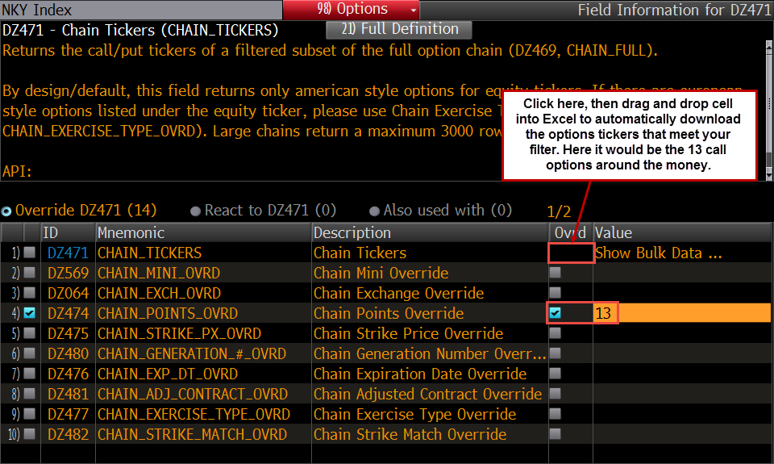
NKY 11/13/15 C17375
NKY 11/13/15 C17500
NKY 11/13/15 C17625
NKY 11/13/15 C17750
NKY 11/13/15 C17875
NKY 11/13/15 C18000
NKY 11/13/15 C18125
NKY 11/13/15 C18250
NKY 11/13/15 C18375
NKY 11/13/15 C18500
NKY 11/13/15 C18625
NKY 11/13/15 C18750
NKY 11/13/15 C18875

